Figure 3.17
Figure 3.17 Further fall in the systemic vulnerability of households
in %

 | Liquidity risk | Solvency risk | Snowball effect risk | Systemic risk
2006 | 0.6 | 0.6 | 0.2 | 0.5
2007 | 0.7 | 0.5 | 0.4 | 0.6
2008 | 0.8 | 0.8 | 0.5 | 0.7
2009 | 0.8 | 0.7 | 0.6 | 0.7
3/10 | 0.8 | 0.7 | 0.7 | 0.7
6/10 | 0.8 | 0.7 | 0.8 | 0.8
9/10 | 0.8 | 0.6 | 0.8 | 0.7
2010 | 0.8 | 0.6 | 0.8 | 0.7
3/11 | 0.8 | 0.6 | 0.8 | 0.7
6/11 | 0.8 | 0.6 | 0.8 | 0.7
9/11 | 0.8 | 0.6 | 0.8 | 0.7
2011 | 0.8 | 0.6 | 0.8 | 0.8
3/12 | 0.8 | 0.6 | 0.8 | 0.7
6/12 | 0.8 | 0.6 | 0.7 | 0.7
9/12 | 0.8 | 0.5 | 0.7 | 0.7
2012 | 0.8 | 0.5 | 0.7 | 0.7
3/13 | 0.8 | 0.5 | 0.7 | 0.7
6/13 | 0.8 | 0.5 | 0.7 | 0.7
9/13 | 0.8 | 0.5 | 0.7 | 0.7
2013 | 0.8 | 0.5 | 0.8 | 0.7
3/14 | 0.8 | 0.4 | 0.8 | 0.7
6/14 | 0.8 | 0.4 | 0.8 | 0.7
9/14 | 0.8 | 0.4 | 0.7 | 0.7
2014 | 0.8 | 0.4 | 0.6 | 0.6
3/15 | 0.8 | 0.4 | 0.6 | 0.6
6/15 | 0.8 | 0.4 | 0.5 | 0.6
9/15 | 0.8 | 0.4 | 0.5 | 0.5
2015 | 0.8 | 0.4 | 0.5 | 0.6
3/16 | 0.7 | 0.3 | 0.6 | 0.5
6/16 | 0.7 | 0.3 | 0.6 | 0.5
9/16 | 0.7 | 0.3 | 0.6 | 0.5
2016 | 0.7 | 0.3 | 0.6 | 0.5

Note: Household sector vulnerability is measured by the household systemic risk, i.e. by the average of liquidity risk (LR), solvency risk (SR) and "snowball effect" risk (SNR) which are defined as follows:
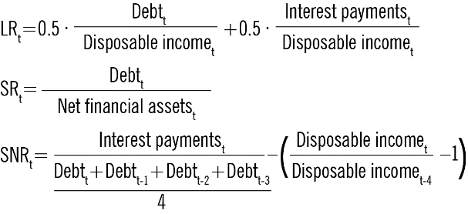

Source: CNB.

