Figure 3.19
Figure 3.19 Further fall in the systemic vulnerability of households

Year | Liquidity risk | Solvency risk | Snowball effect risk | Systemic risk
2001 | 0.15 | 0.15 | 0.17
2002 | 0.28 | 0.33 | 0.50 | 0.37
2003 | 0.41 | 0.42 | 0.64 | 0.49
2004 | 0.47 | 0.50 | 0.42 | 0.46
2005 | 0.57 | 0.56 | 0.53 | 0.55
2006 | 0.64 | 0.59 | 0.21 | 0.48
2007 | 0.73 | 0.53 | 0.40 | 0.55
2008 | 0.82 | 0.84 | 0.50 | 0.72
2009 | 0.79 | 0.72 | 0.63 | 0.71
2010 | 0.84 | 0.60 | 0.84 | 0.76
2011 | 0.82 | 0.61 | 0.66 | 0.70
2012 | 0.80 | 0.52 | 0.72 | 0.68
2013 | 0.80 | 0.46 | 0.81 | 0.69
2014 | 0.78 | 0.39 | 0.66 | 0.61
2015 | 0.73 | 0.35 | 0.54 | 0.54
2016 | 0.66 | 0.28 | 0.62 | 0.52
2017 | 0.61 | 0.27 | 0.39 | 0.42

Note: Household sector vulnerability is measured by the household systemic risk. i.e. by the average of liquidity risk (LR), solvency risk (SR) and “snowball effect” risk (SNR) which are defined as follows:

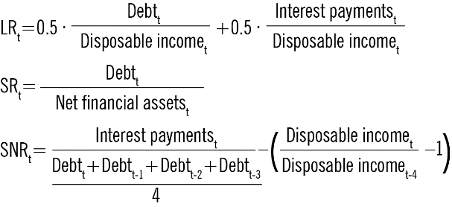

Source: CNB.

